Change Log
Back to Summary
Change Log
Tab Updated | Author | Date | Description of Change | Summary
Summary | Deepesh Khandelwal | 19-Mar-2018 | Draft UC | UC Flows
UC Flows | Deepesh Khandelwal | 19-Mar-2018 | Draft UC | FLS
Requirements | Deepesh Khandelwal | 19-Mar-2018 | Draft UC | Requirements
Business Rules | Deepesh Khandelwal | 19-Mar-2018 | Draft UC | Activities
FLS | Deepesh Khandelwal | 28-Mar-2018 | Draft UC | Typelist
Screen Mockup | Deepesh Khandelwal | 28-Mar-2018 | Draft UC | Integration
Integration | Deepesh Khandelwal | 28-Mar-2018 | Draft UC | Permissions
 |  |  |  | History Events
 |  |  |  | Process Flows
 |  |  |  | Business Rules
 |  |  |  | Claim Calculation

UC Flows
Back to Summary
Main Flow
Requirement : BC_CI_01-The ability to claim for loss under crop insurance based on the threshold weather parameters
Iteration: IT01
Step | System Response
1 | Weather APIs will be pre configured with the blockchain smart contract. Weather station will inform the smart contracts which will have preprogrammed triggerring events for paying out claims and these triggers will be based on threshold values of weather data set.
2 | Once Smart contract receives the trigger, GPS will identify the associated zip codes. Smart contract will read all the polcies related to the zip codes.
3 | Based on the past years revenue and season, loss is valuated for all the policies.
4 | Once the claim is valued, claims settlement amount will be sent to the insured's bank account associated with policy.
5 | This claim information is updated across the policies for future underwriting process.
6 | Main Flow ends

Requirements
Back to Summary
Requirements
Req ID (Index) | Requirement description
BC_CI_01 | The ability to claim for loss under crop insurance based on the threshold weather parameters

FLS
Back to Summary
FLS
FLS Reference No. | Display Name | NEW Display Name | Screen Name | Screen Section/Tab | Screen Subsection | OOTB/New/Mod | Business Description | Data Type | Default value | Required | Visibility | Enable | Editable
FLS-0001 | NULL | Policy Number | User Login | N/A | N/A | New | 11 digit Policy number | Integer | N/A | Yes | Yes | N/A | Yes
FLS-0002 | NULL | Password | User Login | N/A | N/A | New | DOB in mm/dd/yyyy format | Date | N/A | Yes | Yes | N/A | Yes
FLS-0003 | NULL | Name of the Insured | Insured Details | N/A | N/A | New | Name of the Insured. Fetched from the Legacy PC system | Varchar | N/A | Yes | Yes | N/A | No
FLS-0004 | NULL | Crop Type | Insured Details | N/A | N/A | New | Crop type like Cotton. Fetched from the Legacy PC system | Varchar | N/A | Yes | Yes | N/A | No
FLS-0005 | NULL | State | Insured Details | N/A | N/A | New | State. Fetched from the Legacy PC system | Varchar | N/A | Yes | Yes | N/A | No
FLS-0006 | NULL | Region | Insured Details | N/A | N/A | New | Region like North/East/West/South. Fetched from the Legacy PC system | Varchar | N/A | Yes | Yes | N/A | No
FLS-0007 | NULL | Area under Cultivation | Insured Details | N/A | N/A | New | Area in acres. Fetched from the Legacy PC system | Numeric | N/A | Yes | Yes | N/A | No
FLS-0008 | NULL | Zip Code | Insured Details | N/A | N/A | New | 5-digit zip code. Fetched from the Legacy PC system | Integer | N/A | Yes | Yes | N/A | No
FLS-0009 | NULL | Last 3 years Average Revenue | Insured Details | N/A | N/A | New | Revenue in $. Fetched from the Legacy PC system | Numeric | N/A | Yes | Yes | N/A | No
FLS-0010 | NULL | Actual Precipitation | Claim Summary | N/A | N/A | New | Actual Precipitation in inch. Fetched through Weather APIs | Numeric | N/A | Yes | Yes | N/A | No
FLS-0011 | NULL | Claim Amount | Claim Summary | N/A | N/A | New | Claim Amount in $. Calculated as per the business rules | Numeric | N/A | Yes | Yes | N/A | No
FLS-0012 | NULL | Bank Account Number | Claim Summary | N/A | N/A | New | Ranges from 10-17 digits. Fetched from the Legacy PC system | Integer | N/A | Yes | Yes | N/A | No

Business Rules
Back to Summary
Business Rules
Rule ID | Screen Name | Rule Name | Rule Description / Business Purpose | Error Message
BR001 | Claim Summary | Claim Amount calculation | When the crop type = 'Cotton', State='Texas', Region='North' and month = 'October' or 'November'- If the daily precipitation (in inch) is in between 4 and 5 then 60% of the last 3 years average revenue will be paid out as the claim amount. If the daily precipitation (in inch) is more than 5 then 100% of the last 3 years average revenue will be paid out as the claim amount | N/A

Screen Mockup
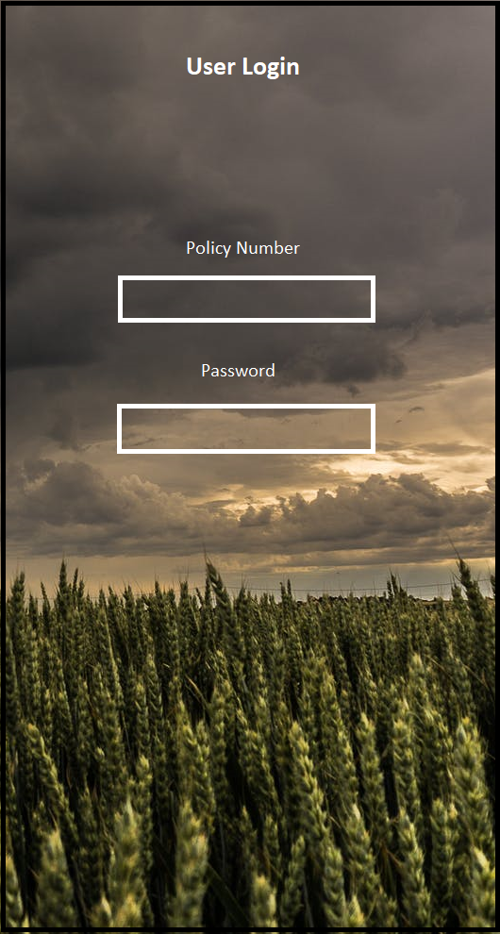
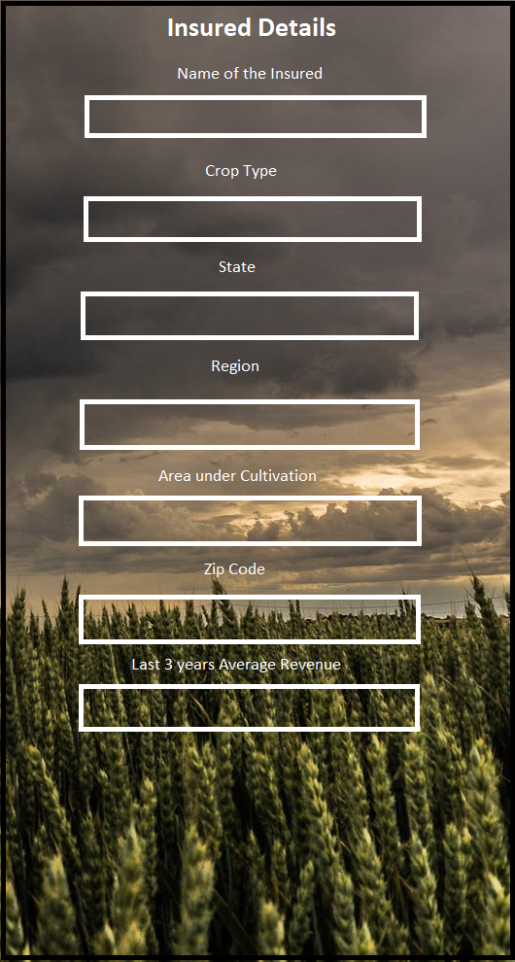
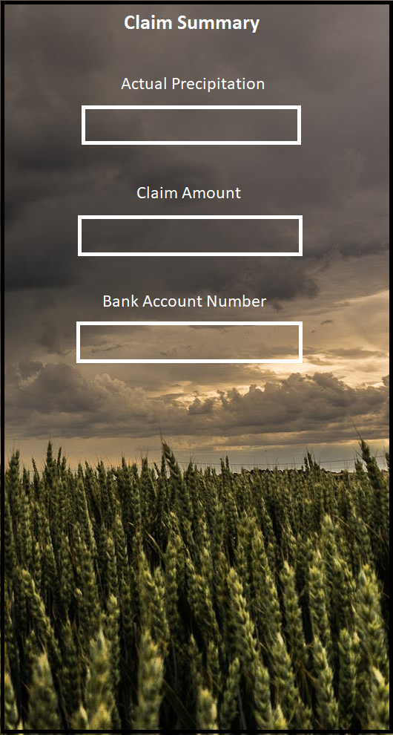
Back to Summary

Integration
Back to Summary
Back to Summary
Integration Component
Integration ID | Integration Name | Integration Description
INT001 | Payment Gateway | Integration with payment gateway required to process the NACHA file to disburse the claim payout amount.

